Pivot Table
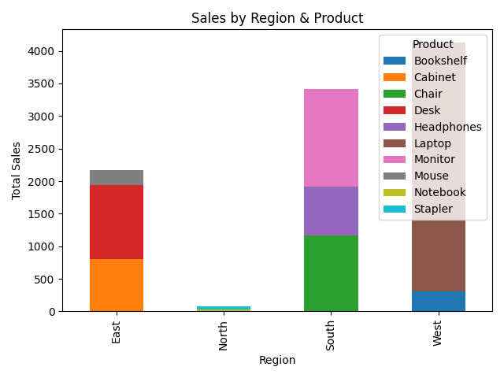
 | Bookshelf | Cabinet | Chair | Desk | Headphones | Laptop | Monitor | Mouse | Notebook | Stapler
Region
East | 0 | 799.89 | 0 | 1144.08 | 0 | 0 | 0 | 225 | 0 | 0
North | 0 | 0 | 0 | 0 | 0 | 0 | 0 | 0 | 31.1 | 51.68
South | 0 | 0 | 1163.34 | 0 | 756 | 0 | 1498.25 | 0 | 0 | 0
West | 310.09 | 0 | 0 | 0 | 0 | 3812.7 | 0 | 0 | 0 | 0

